0126
Label on the bottle | FD sample ID | Organism | Pelletization date | Ferm broth ID | EOF | Broth age | Formulated broth holding | Cryo mix | broth:cryo mix mass ratio | Mass of broth (g) | Mass of cryo mix (g) | Frozen pellet quantity (g)
23PT0126_1 | 23PT0126_1 | KS | 2023-01-26 | P010-23-Y005 | 48 hr | 1 day | Tryptone + potato peptone, lower top feed rate, no EPS | SKP | 1:0.5 | 720 | 360 | 1080
23PT0126_2 | 23PT0126_2 | KS | 2023-01-26 | P010-23-Y005 | 48 hr | 1 day | Tryptone + potato peptone, lower top feed rate, no EPS | PVT 70% | 1:0.28 | 200 | 56 | 256
23PT0126_3 | 23PT0126_3 | KS | 2023-01-26 | P010-23-Y005 | 48 hr | 1 day | Tryptone + potato peptone, lower top feed rate, no EPS | DSR | 1:0.5 | 180 | 90 | 270
23PT0126_4 | 23PT0126_4 | KS | 2023-01-26 | P010-23-Y005-XG | 48 hr | 1 day | tryptone + potato peptone, low top feed rate, no EPS, w 0.7% XG | SKP | 1:0.5 | 180 | 90 | 270
23PT0126_5 | 23PT0126_5 | KS | 2023-01-26 | P010-23-Y005-XG | 48 hr | 1 day | tryptone + potato peptone, low top feed rate, no EPS, w 0.7% XG | PVT 70% | 1:0.28 | 200 | 56 | 256
23PT0126_6 | 23PT0126_6 | KS | 2023-01-26 | P010-23-Y005-XG | 48 hr | 1 day | tryptone + potato peptone, low top feed rate, no EPS, w 0.7% XG | DSR | 1:0.5 | 180 | 90 | 270

Xanthan gum addition
Background | Previous study shows that 0.5% XG in stablized broth has ~80 cp viscosity
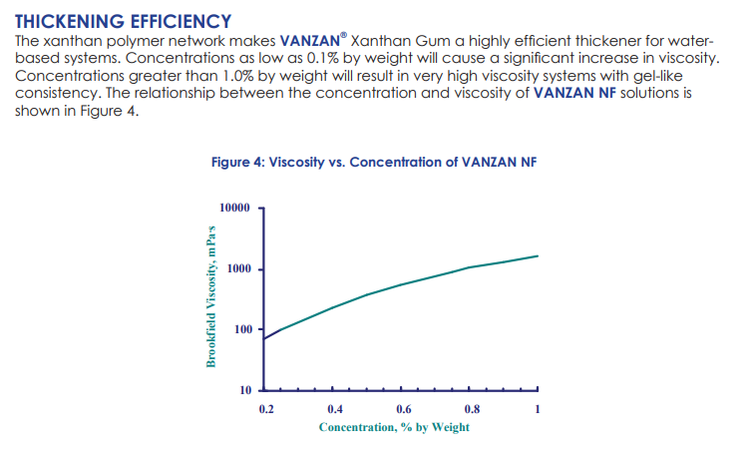

Prepare 2% xanthan gum solution in water
1. Overnight sitr 10 g xanthan gum in 500 mL sterile water
2. Mix broth and 2% xanthan gum solution at mass ratio of 13:7 to target a final XG concentration at 0.7% w/w
3. Mix broth and excipient as in table above.

